test_2 Analysis
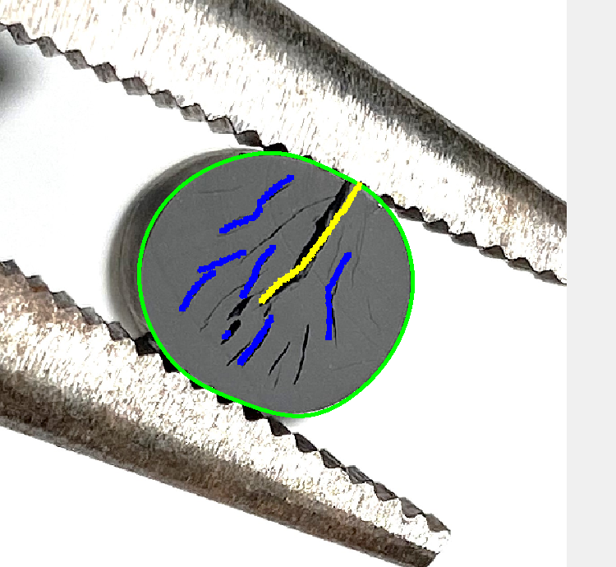
Metric | Value | Rating 1 | Rating 2 | Rating 3 | Rating 4 | Rating 5
Total crack length (% of CSD) | 238.36% | ≤100% CSD | ≤200% CSD | ≤300% CSD | > 300% CSD | -
# cracks that are <25% CSD | 3 | Any number | - | - | - | -
All ext. cracks that are <10% CSD | No | All <10% | - | - | - | -
# cracks that are <50% CSD | 7 | - | Any number | - | - | -
All ext. cracks that are <25% CSD | No | - | All <25% | - | - | -
Are there 2 or fewer cracks between 50-80% CSD | True | - | - | ≤2 cracks | - | -
All ext. cracks are <50% CSD | No | - | - | All <50% | Any >50% | -
One or more int. cracks that are >80% CSD | No | - | - | - | ≥1 crack >80% | -
Three or more int. cracks that are >50% CSD | No | - | - | - | ≥3 cracks >50% | -
Any splits present | No | - | - | - | - | Yes
OVERALL RATING | Rating: 4 - Fail | Pass | Pass | Pass | Fail | Fail

